Part 1
Worksheet 2

Part 1
Question 1

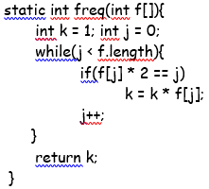
 | 50 + 10 | 60
 | 10 + 10 + 10 + 10 | 40
 | (1 + n) * 10 | 10n + 10
 | 50 + 10 + 10 | 70n
 | 10 + 10 + 50 | 70n

 | 10 + 10 | 20n

 | 50 | 50
 |  | 160 + 170n

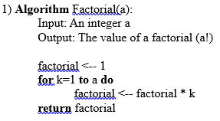
Question 2
 |  | O(1)

 |  | O(1)
 |  | O(n) | O(n)
 |  | O(1) * n = O(n)
 |  | O(1)

Best Case (if a < k): | O(1) + O(1) + O(1) = O(1)
Worst case (if a is a large number): | O(1) + O(1) + O(n) + O(1) = O(n)

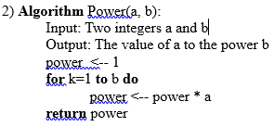
 |  | O(1)

 |  | O(1)
 |  | O(n)

 |  | O(1)
Best Case (if b < k): | O(1) + O(1) + O(1) = O(1)
Worst case (if b is a large number): | O(1) + O(1) + O(n) + O(1) = O(n)

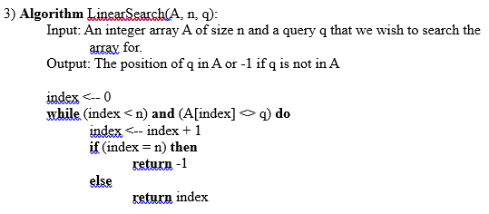
 |  |  | O(1)

 |  |  | O(1)
 |  |  | O(n)

Best Case (if q is first index of A): | O(1) + O(1) + O(n) = O(n)
Worst case (if q is last index or is not in A): | O(1) + O(1) + O(n) = O(n)

Part 3
Part 3

Factorial
Time (ns) | 2395 | 3079 | 2737 | 3079 | 3079
n | 10 | 20 | 30 | 40 | 50
Factorial

 |  |  |  |  |  | As it is not a HAL machine the results were different to what I expected. The computer I was using was using cache to store the information and so couldn't get a good result for 5 ways

Power
Time (ns) | 2395 | 5132 | 6825 | 10458 | 11978
n | 5^3 | 10^4 | 15^5 | 20^6 | 25^7
Power

Linear Search
Time (ns) | 5816 | 29764 | 167982 | 1509102 | 3621024
n | 100 | 1000 | 10000 | 100000 | 1000000
Linear Search

